Girl, Doll & Closeouts
Girl, Doll & Closeouts

Quantity: 92,408 units

Image | Item # | Description | Pack | IN | Origin | # Units | UPC | UCC | Case Size | Wt | Cube | Tie | Hi | Item Size | Item Wt
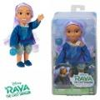 | 214621 | Raya and the Last Dragon 6" Sisu Doll | 4 |  | China | 706 | 192995214620; | 50192995214625 | 9" x 6" x 8" | 2 | 0.28 | 37 | 6 | 4" x 2.5" x 7.5" | 5.1
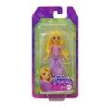 | HLW709564 | Mattel DDC Disney Princess Small Core Doll Rapunzel | 6 |  | China | 371 | 194735121038 | 50194735121033 | 6" x 4" x 7" | 1 | 0.1 | 63 | 12 | 3.25" x 1.25" x 6.5" | 1.1
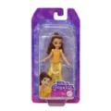 | HLW789564 | Mattel DP Disney Princess Small Core Doll Belle | 6 |  | China | 4,199 | 194735120949 | 50194735120944 | 6" x 4" x 7" | 1 | 0.1 | 63 | 13 | 3.25" x 1.25" x 6.5" | 1.1
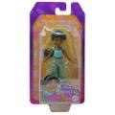 | HLW799564 | Mattel DDC Disney Princess Jasmine Small Core Doll | 6 |  | China | 3,210 | 194735120956 | 50194735120951 | 6" x 4" x 7" | 1 | 0.1 | 63 | 13 | 3.25" x 1.25" x 6.5" | 1.5
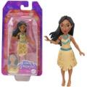 | HLW749564 | Mattel DDC Disney Princess Small Core Doll Pocahontas | 6 |  | China | 2,779 | 194735120994 | 50194735120999 | 6" x 4" x 7" | 0.68 | 0.1 | 63 | 12 | 3.25" x 1.25" x 6.5" | 1.5
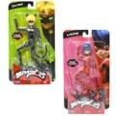 | 5042002 | Miraculous Ladybug 5.5" Super Articulated Doll on blister card - 2 Asst | 18 |  | China | 1,785 | 043377504214; Ladybug (15) 043377504221; Cat Noir (3) | 50043377504219 | 13" x 9" x 8" | 3 | 0.64 | 16 | 12 | 4" x 1.5" x 7" | 1.4
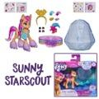 | F24545X00 | Hasbro My Little Pony Crystal Adventure Ponies Sunny | 6 |  | China | 27,343 | 5010993836611 | 50501099383661 | 10" x 7" x 7" | 2 | 0.28 | 24 | 13 | 7" x 1.5" x 6" | 5
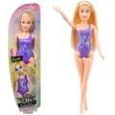 | 578710EUC | MGA's Dream Ella Splash-Aria | 4 |  | China | 1,054 | 035051578710 | 50035051578715 | 8" x 4" x 13" | 2 | 0.24 | 30 | 12 | 3" x 1.75" x 12.7" | 5.5
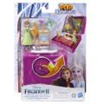 | E9892 | Disney Frozen 2 Pop Adventures Family Game Night Pop-Up Playset with Handle | 4 |  | China | 1,399 | 630509947447 | 50630509947442 | 13" x 5" x 7" | 2 | 0.26 | 33 | 13 | 7" x 2" x 9" | 7.8
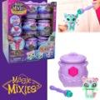 | 14663 | Magic Mixies Mixlings Collector's Cauldron | 18 |  | China | 4,387 | 630996146590 | 50630996146595 | 10" x 7" x 12" | 4 | 0.49 | 24 | 8 | 3" x 2.75" x 3" | 3
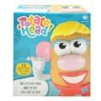 | F32455X00 | Mr Potato Head Mrs. Potato Head Classic Toy For Kids, Includes 12 Parts | 4 |  | India | 14,301 | 5010993873852 | 50501099387386 | 12" x 8" x 8" | 3 | 0.44 | 16 | 12 | 6" x 4" x 7.5" | 13
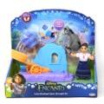 | 224411 | Jakks, Encanto-Luisa Small Doll Set | 2 |  | China | 1,277 | 192995224414 | 50192995224419 | 9" x 8" x 8" | 1 | 0.33 | 24 | 12 | 8" x 3.5" x 7.5" | 7
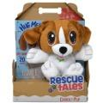 | 655180W | Rescue Tales Cuddly Pup-Beagle | 2 |  | China | 732 | 050743655180 | 50050743655185 | 9" x 9" x 13" | 2 | 0.61 | 20 | 7 | 9" x 4.5" x 12.5" | 13
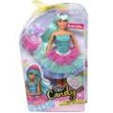 | 583196EUC | MGA's Dream Ella Candy Prns-DreamElla | 4 |  | China | 1,094 | 035051583196 | 50035051583191 | 10" x 8" x 13" | 3 | 0.6 | 22 | 7 | 7.25" x 2.25" x 12.7" | 11
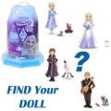 | HWX21956A | Mattel DDC Frozen Ice Reveal Small Doll Asstd. | 3 |  | China | 1,082 | 194735222780 | 50194735222785 | 11" x 5" x 6" | 2 | 0.19 | 29 | 16 | 4" x 3.25" x 5.5" | 11
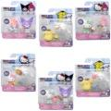 | HKT0001A | Hello Kitty and Friends: 2 Pack Figures - Assorted | 6 |  | China | 5,004 | 191726516385; (1)Kuromi & H.K 191726723516; (1) My melodi & Kuromi 191726516293; (1)Cinnamoroll & H.K 191726516309; (1) H.K. & my melodi 191726516392; (1) Pompompurin & cinnamorol 191726723523; (1) Cinnamoroll & pompompurin | 50191726516380 | 8" x 8" x 7" | 2 | 0.26 | 25 | 13 | 6" x 2.5" x 6" | 5
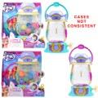 | F33295L22 | Hasbro My little Pony SPARKLE REVEAL LANTERN | 4 |  | China | 184 | 5010994162122; (13 number upc) | 50501099416215 | 11" x 10" x 11" | 5 | 0.7 | 16 | 8 | 10" x 2.75" x 10.2" | 18
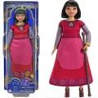 | HPX249564 | Mattel DP Disney Wish BFF Dahlia Doll | 4 |  | China | 455 | 194735169948 | 50194735169943 | 11" x 5" x 13" | 2 | 0.41 | 35 | 7 | 4.75" x 2.5" x 12.7" | 9
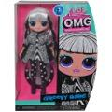 | 588573EUC | L.O.L. Surprise OMG HoS Doll- Groovy Babe | 3 |  | China | 2,504 | 035051588573 | 50035051588578 | 9" x 8" x 11" | 3 | 0.46 | 20 | 8 | 7" x 2.75" x 11" | 14
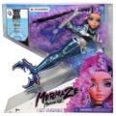 | 580812EUC | Mermaze Mermaidz Core S1-Riviera | 5 |  | China | 15,279 | 035051580812 | 50035051580817 | 18" x 13" x 13" | 7 | 1.76 | 8 | 7 | 12" x 3.25" x 12" | 25
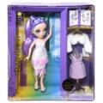 | 587385C3 | Rainbow High Fantastic Fashion-Violet | 3 |  | China | 2,215 | 035051587385 | 50035051587380 | 12" x 10" x 13" | 5 | 0.9 | 16 | 7 | 12" x 3.25" x 13" | 22
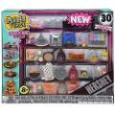 | 531104C3 | MGA's Miniverse- Make It Mini Hershey's Multipack | 4 |  | China | 1,048 | 035031531104 | 50035031531105 | 14" x 10" x 13" | 5 | 1.05 | 13 | 7 | 13.5" x 2.25" x 12" | 18
 |  |  |  |  |  | 92,408

